Pt.1 Reconciliation
1-Use the Reconciliation form to reconcile the bank statement with the cash account. Correct any components with the proper journal entry

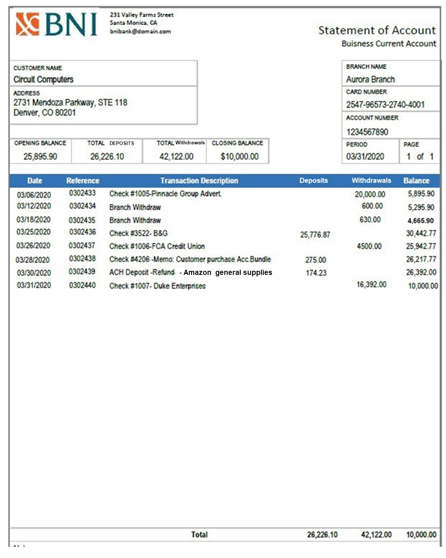

 | General Ledger Sheet |  |  | Sheet Number: 57 |  | Circuit Computers, Bank Reconilication for March 31, 2020
 | ACCOUNT: | Cash |  | Account Number: 750 |  | Balance Per Bank |  |  | Balance Per Books
 | Date: | Description: | Journal Ref: | Transaction
 |  |  |  | Debit | Credit | Unadjusted balance from the bank statement |  |  | Unadjusted balance from the Cash Account
 | 3/1/20 | Opening Balance |  | 25,895.90 |  |  |  | $25,895.90 |  |  |  | $25,895.90
 | 3/6/20 | Pinnacle Group Advertising-Check #1005 | 302433 |  | $20,000.00 | Adjustments to the bank balance |  |  | 0
 | 2020-03-12 | Cash withdraw-Promo Supplies | 302434 |  | $600.00 |  |  |  | Add: Bank interest earned |  |  | $-
 | 3/18/20 | Cash withdraw-Germinator Cleaning | 302435 |  | $630.00 | Add: Deposits in transit |  | $174.23 | Add: Auto/Electronic Deposits |  |  | $174.23
 | 3/25/20 | Deposit-Check #3522-B&G paid invoice (#2530) | 302436 | $25,776.87 |  | Deduct: Oustanding Checks |  | $275.00 | Deduct: Fees/Returned Checks |  |  | $-
 | 2020-03-26 | FCA Credit Union Loan-Check #1006 | 302437 |  | $4,500.00 | Add: Bank Errors |  | $- | Add: Company Errors |  |  | $275.00
 | 2025-03-28 | (Check #4206) Customer | 302438 | $275.00
 | 2025-03-30 | (Amazon refund) | 302439 | $174.23
 | 2020-03-31 | Duke Enterprises-Check #1007 | 302440 |  | $16,392.00 | Deduct: Bank Errors |  | $- | Deduct: Company Errors |  |  | $-
 |  |  |  |  |  | Total Adjusted balance per BANK: |  | $26,345.13 | Total Adjusted balance per BOOKS: |  |  | $26,345.13

 |  |  |  |  |  | FINAL RECONCILIATION NUMBERS
 |  |  |  |  |  | Balance Per Bank |  |  | Balance Per Books

 |  |  |  |  |  | Unadjusted balance from the bank statement |  | $25,895.90 | Unadjusted balance from the Cash Account |  |  | $9,550.77

 |  |  |  |  |  | (+/-) adjustments to BANK |  | $449.23 | (+/-) adjustments to BOOKS |  |  | $449.23

 | 03/01-03/31/20 |  | Total Debit/Credits | $51,672.77 | $42,122.00 (Withdrawls) Credit is a reduction to the cash account | Adjusted balance per BANK: |  | $26,345.13 | Adjusted balance per BOOKS: |  |  | $26,345.13
 | 03/01-03/31/20 |  | Ending Balance: | $9,550.77
 |  |  |  |  |  | The Two Missing Journal Entries |  |  | Debit | Credit
 |  |  |  |  |  | 03/28/20
 |  |  |  |  |  |  | (Check #4206) Customer
 |  |  |  |  |  |  | Cash |  | $275.00
 |  |  |  |  |  |  | Sales Revenue |  |  | $275.00
 |  |  |  |  |  |  |  |  |  |  | *The date is listed as the day of the reconciliation, add the trasaction date in the description of each entry

 |  |  |  |  |  | 3/30/20
 |  |  |  |  |  |  | (Amazon refund)
 |  |  |  |  |  |  | Cash |  | $174.23
 |  |  |  |  |  |  | General Supplies |  |  | $174.23

